Sheet1
Case 1 | Deflection of a fork with a pinned Load

Moment of inertia (m^4) |  | Load (N) |  | Length (m) |  | Young Modulus
9.492E-07 |  | 85000 |  | 1.07 |  | 193000000000

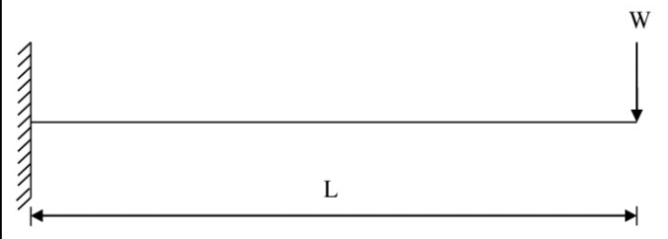
Bending Moment
-90950

Maximum Deflection
0.18946716879

Case 2 | Deflection of a fork at uniformly distributed load

Moment of inertia (m^4) |  | Load W (N) |  | Length (m) |  | Young Modulus
9.492E-07 |  | 85000 |  | 1.07 |  | 193000000000

W/m
79439.252336 | N/m

Bending Moment
-48658.25

Deflection
0.076023701477

Case 3 | Deflection of a fork at a uniformly distributed load using matrix stiffness method



Moment of inertia (m^4) |  | Load W (N) |  | Length (m) |  | Young Modulus
9.492E-07 |  | 85000 |  | 1.07 |  | 193000000000

Element stiffness matrix

EI/L^3 | 12 | 6.42 | -12 | 6.42
149542.17934 | 6.42 | 4.5796 | -6.42 | 2.2898
 | -12 | -6.42 | 12 | -6.42
 | 6.42 | 2.2898 | -6.42 | 4.5796

Finite Element Equation
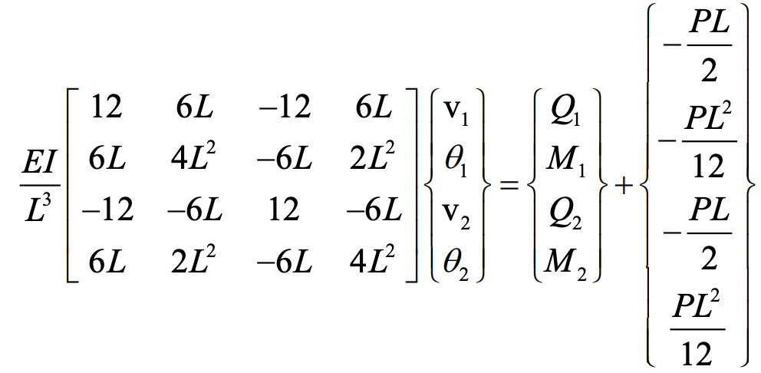

 |  | 12 | 6.42 | -12 | 6.42 |  | V1 |  | Q1 |  | -45475
EI/L^3 |  | 6.42 | 4.5796 | -6.42 | 2.2898 |  | Theta 1 | = | M1 | + | -8109.7083333
149542.17934 |  | -12 | -6.42 | 12 | -6.42 |  | V2 |  | Q2 |  | -45475
 |  | 6.42 | 2.2898 | -6.42 | 4.5796 |  | Theta 2 |  | M2 |  | 8109.7083333

Apply boundary conditions

V1 | 0 |  | Q2 | 0
Theta 1 | 0 |  | M2 | 0

EI/L^3 |  | 12 | -6.42 | . | V2 | = | -45475
149542.17934 |  | -6.42 | 4.5796 | . | Theta 2 | = | 8109.7083333

Inverse Matrix

 |  | 0.33333333333 | 0.46728971963
 |  | 0.46728971963 | 0.87343872827

Final Value

V2 | Theta 2 |  |  | #VALUE!
-0.076023701477 | -0.094733584395

